Gym_v2
Training
 | Balanced |  |  |  | Balanced and PCA
 | Original | 10 sec | 1 minute | 5 minute | Original | 10 sec | 1 minute | 5 minute
SVM | NA | 0.99921 | 1 | 0.91428 | NA | 0.99921 | 1 | 0.91428
KNN | 1 | 0.99921 | 0.99574 | 0.93095 | 1 | 0.99921 | 0.98704 | 0.94761
DT | 1 | 0.99804 | 0.98931 | 0.89642 | 0.99949 | 0.9953 | 0.98487 | 0.90595
Mean | 1 | 0.99882 | 0.99501666667 | 0.91388333333 | 0.999745 | 0.99790666667 | 0.99063666667 | 0.92261333333

Testing
 | Balanced |  |  |  | Balanced and PCA
 | Original | 10 sec | 1 minute | 5 minute | Original | 10 sec | 1 minute | 5 minute
SVM | NA | 0.99507 | 1 | 0.88888 | NA | 0.99507 | 1 | 0.88888
KNN | 1 | 0.99507 | 1 | 0.77777 | 1 | 0.99507 | 1 | 0.88888
DT | 1 | 0.99507 | 0.97222 | 0.77777 | 0.99802 | 0.98522 | 0.97222 | 0.77777
Mean | 1 | 0.99507 | 0.99074 | 0.81480666667 | 0.99901 | 0.99178666667 | 0.99074 | 0.85184333333

 | DT - worst case ( 5 minutes ) |  |  |  | DT - worst case with PCA (5 minutes)
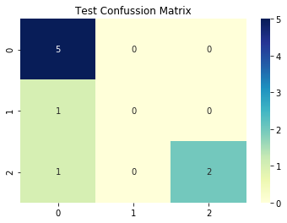
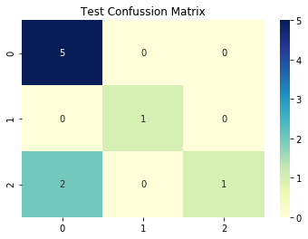

 | There were only 9 test instances, so 2 errors significantly affected the precision

